Specification
 |  |  |  |  |  |  |  |  |  |  |  |  |  |  |  |  | FEMALE |  |  |  |  | 34-35 | 36-37 | 37-38 | 38-39 | 39-40 | 41-42 | 42-43
 |  |  |  |  |  |  |  |  |  |  |  |  |  |  |  |  | UNISEX |  |  |  | 36-37 | 37-38 | 38-39 | 39-40 | 41-42 | 42-43 | 43-44 | 45-46 | 46-47 | 48-49
 |  |  |  |  |  |  |  |  |  |  |  |  |  |  |  |  | KIDS | 32-33 | 33-34 | 34-35 | 19-20 | 20-21 | 22-23 | 23-24 | 24-25 | 25-26 | 27-28 | 28-29 | 29-30 | 30-31 | 19-20 | 20-21 | 22-23 | 23-24 | 24-25 | 25-26 | 27-28 | 28-29 | 29-30 | 30-31 | 32-33 | 33-34 | 34-35 | 36-37 | 37-38
 |  |  |  |  |  |  |  |  |  |  |  |  |  |  |  |  | 12592 | 300 | 43 | 22 | 1029 | 1210 | 1441 | 1443 | 1249 | 949 | 711 | 460 | 642 | 435 | 256 | 209 | 280 | 161 | 195 | 227 | 176 | 248 | 234 | 135 | 161 | 224 | 146 | 3 | 3
SEASON | ARTICLE | IMAGE 1 | IMAGE 2 | IMAGE 3 | IMAGE 4 | COLOR | COLOR DESCRIPTION | PRODUCT NAME | SUPPL. DESCRIPTION | COMPOSITION 1 | PARENT GROUP | GENDER | BRAND | WHS | RRP | SIZE COUNT | QTY | 1 | 2 | 3 | 4 | 5 | 6 | 7 | 8 | 9 | 10 | 11 | 12 | 13 | C4 | C5 | C6 | C7 | C8 | C9 | C10 | C11 | C12 | C13 | J1 | J2 | J3 | J4 | J5
NO INFO | 207938 | 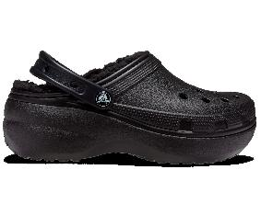 | 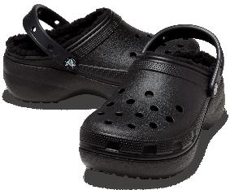 | 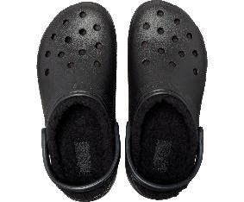 | 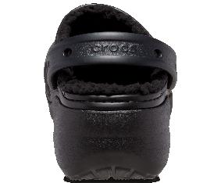 | 001 | BLACK | CLOG | CLASSIC PLATFORM LINED CLOG W | NO INFO | ADULT | FEMALE | CROCS | €34.50 | €75.90 | 7 | 195 |  |  |  |  | 27 | 32 | 39 | 41 | 27 | 26 | 3
NO INFO | 207938 | 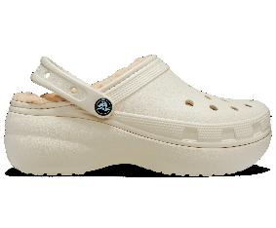 | 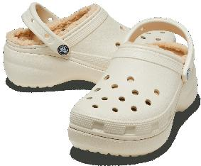 | 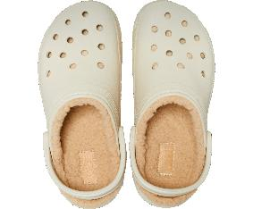 | 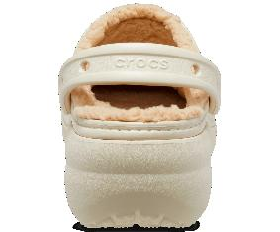 | 2Y2 | BONE | CLOG | CLASSIC PLATFORM LINED CLOG W | NO INFO | ADULT | FEMALE | CROCS | €34.50 | €75.90 | 7 | 169 |  |  |  |  | 21 | 23 | 31 | 40 | 27 | 24 | 3
NO INFO | 207938 | 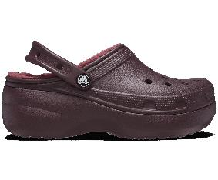 | 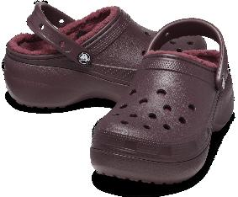 | 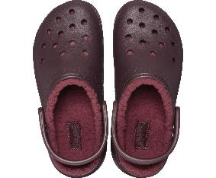 | 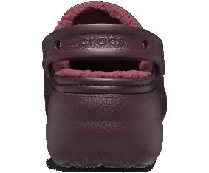 | 6WD | DARK CHERRY | CLOG | CLASSIC PLATFORM LINED CLOG W | NO INFO | ADULT | FEMALE | CROCS | €34.50 | €75.90 | 4 | 6 |  |  |  |  |  | 1 |  | 2 | 2 | 1
NO INFO | 210363 | 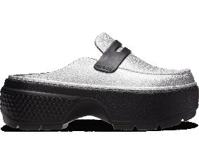 | 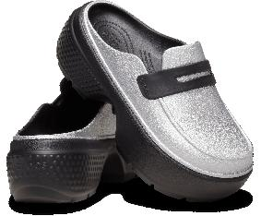 | 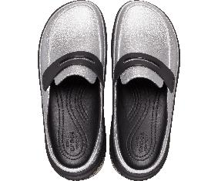 | 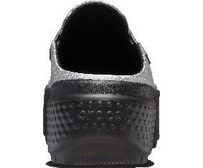 | 01V | SILVER/BLACK | MULE | STOMP METALLIC LOAFER | NO INFO | ADULT | FEMALE | CROCS | €36.40 | €79.90 | 4 | 5 |  |  |  |  | 1 | 2 | 1 | 1
NO INFO | 209661 | 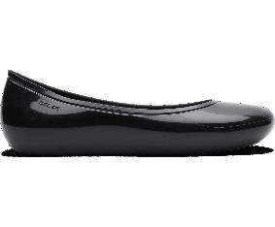 | 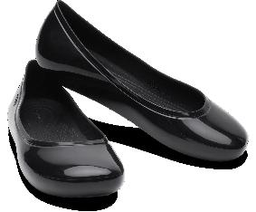 | 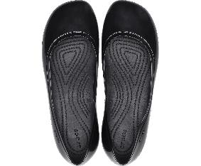 | 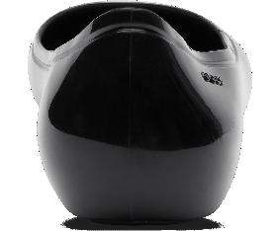 | 001 | BLACK | BALLET FLATS | BROOKLYN HIGH SHINE FLAT W | NO INFO | ADULT | FEMALE | CROCS | €25.40 | €55.90 | 3 | 3 |  |  |  |  | 1 |  |  | 1 |  | 1
SS 2022 | 203591 | 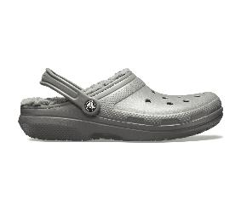 | 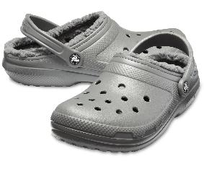 | 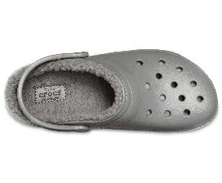 | 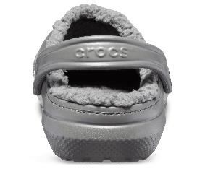 | 0EX | SLATE GREY/SMOKE | CLOG | CLASSIC LINED CLOG | 95% THERMOPLASTIC (ETHYLENE-VINYLACETATE) + 5% TEXTILE (POLYESTER) | ADULT | UNISEX | CROCS | €27.30 | €59.90 | 10 | 328 |  |  |  | 27 | 35 | 40 | 44 | 44 | 40 | 40 | 32 | 20 | 6
SS 2022 | 203591 | 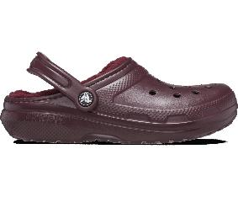 | 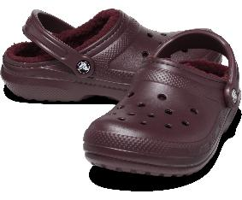 | 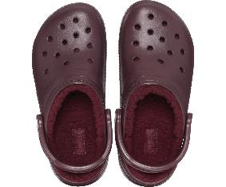 | 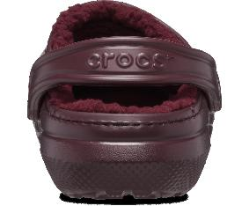 | 6WD | DARK CHERRY | CLOG | CLASSIC LINED CLOG | 95% THERMOPLASTIC (ETHYLENE-VINYLACETATE) + 5% TEXTILE (POLYESTER) | ADULT | UNISEX | CROCS | €27.30 | €59.90 | 10 | 102 |  |  |  | 16 | 15 | 19 | 3 | 7 | 18 | 5 | 6 | 5 | 8
NO INFO | 206867 | 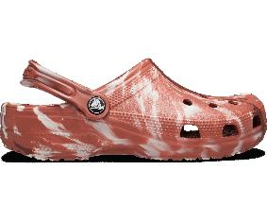 | 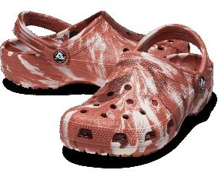 | 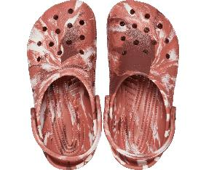 | 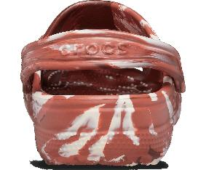 | 2FM | DARK CLAY/MULTI | CLOG | CLASSIC MARBLED CLOG | NO INFO | ADULT | UNISEX | CROCS | €25.40 | €55.90 | 10 | 81 |  |  |  | 2 | 2 | 9 | 10 | 16 | 13 | 8 | 7 | 7 | 7
SS 2024 | 208650 | 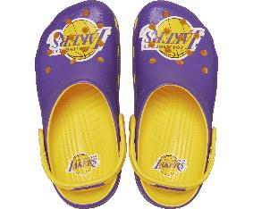 | 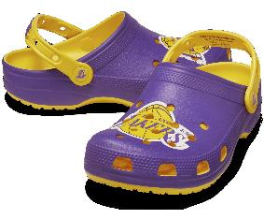 | 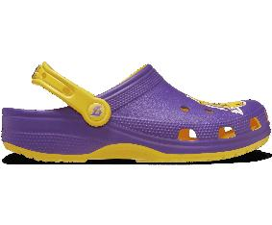 | 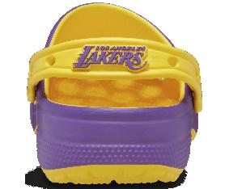 | 75Y | SUNFLOWER | CLOG | NBA LOS ANGELES LAKERS CLS CLG | 100% CROSLITE | ADULT | UNISEX | CROCS | €29.90 | €65.90 | 10 | 131 |  |  |  | 8 | 10 | 7 | 17 | 11 | 24 | 19 | 17 | 15 | 3
NO INFO | 210393 | 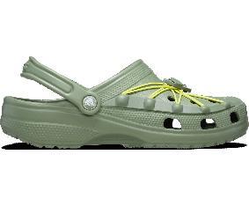 | 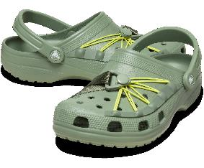 | 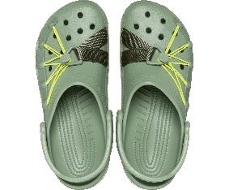 | 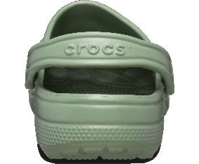 | 3WP | MOSS/MULTI | CLOG | CLASSIC LOCKDOWN CLOG | NO INFO | ADULT | UNISEX | CROCS | €29.90 | €65.90 | 10 | 96 |  |  |  | 4 | 4 | 10 | 14 | 15 | 14 | 16 | 9 | 7 | 3
SS 2024 | 208861 | 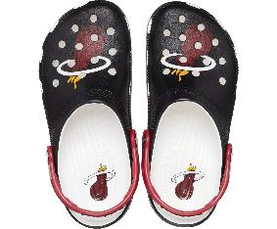 | 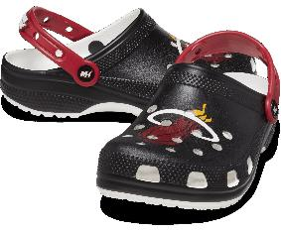 | 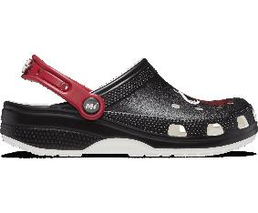 | 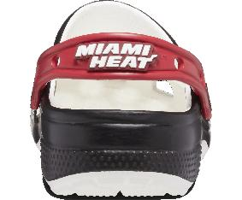 | 001 | BLACK | CLOG | NBA MIAMI HEAT CLASSIC CLOG | 100% CROSLITE | ADULT | UNISEX | CROCS | €29.90 | €65.90 | 9 | 100 |  |  |  | 14 | 8 | 9 | 18 | 2 | 4 | 6 | 10 | 29
SS 2021 | 205089 | 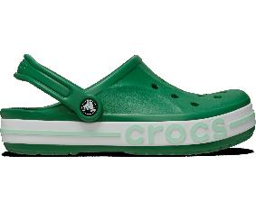 | 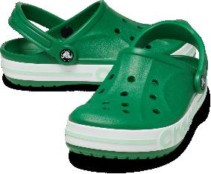 | 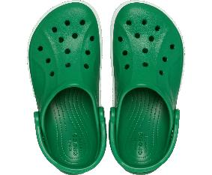 | 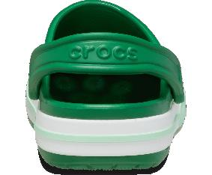 | 310 | KELLY GREEN | CLOG | BAYABAND CLOG | 100% THERMOPLASTIC (ETHYLENE-VINYLACETATE) | ADULT | UNISEX | CROCS | €25.40 | €63.90 | 8 | 114 |  |  |  | 2 |  | 6 | 7 | 31 | 32 | 29 | 6 |  | 1
SS 2021 | 205089 | 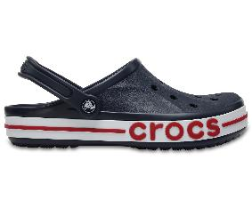 | 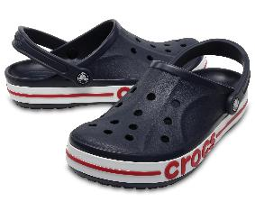 |  |  | 4CC | NAVY/PEPPER | CLOG | BAYABAND CLOG | 100% THERMOPLASTIC (ETHYLENE-VINYLACETATE) | ADULT | UNISEX | CROCS | €25.40 | €63.90 | 2 | 9 |  |  |  |  |  |  |  | 4 | 5
NO INFO | 209384 |  |  |  |  | 160 | STUCCO | BALLET FLATS | BROOKLYN FLAT W | NO INFO | ADULT | UNISEX | CROCS | €22.70 | €49.90 | 6 | 8 |  |  |  |  | 2 |  | 2 | 1 | 1 | 1 | 1
NO INFO | 209939 |  |  |  |  | 6XS | PINK TWEED/PINK TWEED | BALLET FLATS | STOMP MARY JANE | NO INFO | ADULT | UNISEX | CROCS | €34.50 | €75.90 | 6 | 81 |  |  |  | 14 | 22 | 19 | 11 | 6 | 9
SS 2022 | 203591 |  |  |  |  | 5PU | MAUVE MIST/MAUVE MIST | CLOG | CLASSIC LINED CLOG | 95% THERMOPLASTIC (ETHYLENE-VINYLACETATE) + 5% TEXTILE (POLYESTER) | ADULT | UNISEX | CROCS | €27.30 | €59.90 | 6 | 462 |  |  |  | 84 | 84 | 84 | 84 | 84 | 42
SS 2021 | 205089 |  |  |  |  | 6TG | BALLERINA PINK/CANDY PINK | CLOG | BAYABAND CLOG | 100% THERMOPLASTIC (ETHYLENE-VINYLACETATE) | ADULT | UNISEX | CROCS | €25.40 | €63.90 | 6 | 353 |  |  |  | 28 | 57 | 75 | 94 | 67 | 32
FW 2023 | 208546 |  |  |  |  | 001 | BLACK | CLOG | STOMP LINED CLOG | NO INFO | ADULT | UNISEX | CROCS | €39.00 | €85.90 | 6 | 202 |  |  |  | 28 | 53 | 43 | 45 | 27 | 6
FW 2023 | 208546 |  |  |  |  | 160 | STUCCO | CLOG | STOMP LINED CLOG | NO INFO | ADULT | UNISEX | CROCS | €39.00 | €85.90 | 6 | 228 |  |  |  | 35 | 60 | 55 | 45 | 24 | 9
FW 2023 | 208546 |  |  |  |  | 5AS | DARK IRIS | CLOG | STOMP LINED CLOG | NO INFO | ADULT | UNISEX | CROCS | €39.00 | €85.90 | 6 | 89 |  |  |  | 17 | 24 | 24 | 14 | 4 | 6
NO INFO | 210846 |  |  |  |  | 0IK | PUMICE | CLOG | CLASSIC BLITZEN IV CLOG | NO INFO | ADULT | UNISEX | CROCS | €31.90 | €69.90 | 6 | 69 |  |  |  | 11 | 21 | 17 | 8 | 3 | 9
NO INFO | 210846 |  |  |  |  | 6UR | QUARTZ | CLOG | CLASSIC BLITZEN IV CLOG | NO INFO | ADULT | UNISEX | CROCS | €31.90 | €69.90 | 6 | 103 |  |  |  | 20 | 20 | 31 | 14 | 9 | 9
NO INFO | 210849 |  |  |  |  | 2EY | SEPIA | CLOG | CLASSIC DOODLE FUR LINED CLOG | NO INFO | ADULT | UNISEX | CROCS | €36.40 | €79.90 | 6 | 105 |  |  |  | 19 | 23 | 30 | 22 | 7 | 4
NO INFO | 210659 |  |  |  |  | 001 | BLACK | LOAFERS | STOMP HIGH SHINE LOAFER | NO INFO | ADULT | UNISEX | CROCS | €36.40 | €79.90 | 6 | 112 |  |  |  | 7 | 30 | 32 | 22 | 14 | 7
NO INFO | 209937 |  |  |  |  | 1HR | LINEN BLACK | MULE | STOMP LOAFER | NO INFO | ADULT | UNISEX | CROCS | €34.50 | €75.90 | 6 | 90 |  |  |  | 13 | 20 | 25 | 15 | 11 | 6
NO INFO | 209386 |  |  |  |  | 6XF | HOT BLUSH | CLOG | CLASSIC COZZZY SLIPPER | NO INFO | ADULT | UNISEX | CROCS | €22.70 | €49.90 | 5 | 320 |  |  |  | 69 | 79 | 79 | 54 | 39
NO INFO | 210398 |  |  |  |  | 5PS | MAUVE MIST | CLOG | CLASSIC PHOTOREAL FLORAL CLOG | NO INFO | ADULT | UNISEX | CROCS | €25.40 | €55.90 | 5 | 28 |  |  |  | 7 | 8 | 4 |  | 3 | 6
NO INFO | 210846 |  |  |  |  | 3YH | JADE TINT | CLOG | CLASSIC BLITZEN IV CLOG | NO INFO | ADULT | UNISEX | CROCS | €31.90 | €69.90 | 5 | 17 |  |  |  | 5 | 7 |  | 1 | 2 | 2
NO INFO | 206633 |  |  |  |  | 0GX | SLATE GREY/LIME PUNCH | CLOG | BAYA LINED FUZZ STRAP CLOG | 73% THERMOPLASTIC (ETHYLENE-VINYLACETATE) + 27% TEXTILE (POLYESTER) | ADULT | UNISEX | CROCS | €29.90 | €64.90 | 4 | 9 |  |  |  | 1 | 2 | 3 | 3
NO INFO | 10126 |  |  |  |  | 001 | BLACK | CLOG | BAYA CLOG U | NO INFO | ADULT | UNISEX | CROCS | €22.70 | €49.90 | 3 | 254 |  |  |  | 106 |  |  |  |  |  |  |  | 103 | 45
NO INFO | 10126 |  |  |  |  | 410 | NAVY | CLOG | BAYA CLOG U | NO INFO | ADULT | UNISEX | CROCS | €22.70 | €49.90 | 3 | 239 |  |  |  | 99 |  |  |  |  |  |  |  | 98 | 42
SS 2022 | 203591 |  |  |  |  | 6XH | BEETROOT | CLOG | CLASSIC LINED CLOG | 95% THERMOPLASTIC (ETHYLENE-VINYLACETATE) + 5% TEXTILE (POLYESTER) | ADULT | UNISEX | CROCS | €27.30 | €59.90 | 3 | 7 |  |  |  |  | 2 | 2 | 3
NO INFO | 206867 |  |  |  |  | 6EO | PEPPER/BLACK | CLOG | CLASSIC MARBLED CLOG | NO INFO | ADULT | UNISEX | CROCS | €25.40 | €55.90 | 3 | 4 |  |  |  |  |  |  |  |  |  |  | 2 | 1 | 1
NO INFO | 210402 |  |  |  |  | 1NK | MOONLIGHT | CLOG | CLASSIC DENIM CLOG | NO INFO | ADULT | UNISEX | CROCS | €25.40 | €55.90 | 3 | 3 |  |  |  | 1 | 1 |  |  | 1
NO INFO | 209347 |  |  |  |  | 0WV | CHALK | CLOG | STOMP CLOG W | NO INFO | ADULT | UNISEX | CROCS | €34.50 | €75.90 | 2 | 6 |  |  |  |  |  |  |  | 3 | 3
NO INFO | 210748 |  |  |  |  | 2EY | SEPIA | HIGH HEELS | SIREN DOODLE FUR CLOG | NO INFO | ADULT | UNISEX | CROCS | €43.50 | €95.90 | 5 | 12 |  |  |  |  | 1 | 1 | 1 | 4 | 5
NO INFO | 207714 |  |  |  |  | 100 | WHITE | FLIP FLOPS | CLASSIC PLATFORM FLIP W | NO INFO | ADULT | FEMALE | CROCS | €20.40 | €44.90 | 3 | 46 |  |  |  |  |  |  |  |  | 20 | 23 | 3
NO INFO | 207714 |  |  |  |  | 2Y2 | BONE | FLIP FLOPS | CLASSIC PLATFORM FLIP W | NO INFO | ADULT | FEMALE | CROCS | €20.40 | €44.90 | 4 | 160 |  |  |  |  |  |  |  | 40 | 50 | 65 | 5
NO INFO | 207714 |  |  |  |  | 001 | BLACK | FLIP FLOPS | CLASSIC PLATFORM FLIP W | NO INFO | ADULT | FEMALE | CROCS | €20.40 | €44.90 | 6 | 415 |  |  |  |  | 50 | 45 | 50 | 70 | 100 | 100
NO INFO | 207714 |  |  |  |  | 5Q6 | MOON JELLY | FLIP FLOPS | CLASSIC PLATFORM FLIP W | NO INFO | ADULT | FEMALE | CROCS | €20.40 | €44.90 | 6 | 113 |  |  |  |  | 21 | 15 | 15 | 32 | 14 | 16
NO INFO | 207714 |  |  |  |  | 6UR | QUARTZ | FLIP FLOPS | CLASSIC PLATFORM FLIP W | NO INFO | ADULT | FEMALE | CROCS | €20.40 | €44.90 | 5 | 164 |  |  |  |  |  | 24 | 40 | 40 | 20 | 40
NO INFO | 202492 |  |  |  |  | 001 | BLACK | FLIP FLOPS | KADEE II FLIP W | NO INFO | ADULT | FEMALE | CROCS | €16.30 | €39.90 | 5 | 15 |  |  |  |  | 6 | 3 | 2 |  |  | 1 | 3
NO INFO | 209589 |  |  |  |  | 001 | BLACK | FLIP FLOPS | GETAWAY FLIP W | NO INFO | ADULT | FEMALE | CROCS | €20.90 | €45.90 | 5 | 48 |  |  |  |  | 14 | 11 | 14 | 6 |  | 3
NO INFO | 206756 |  |  |  |  | 669 | PINK LEMONADE | SLIDES | KADEE II SANDAL W | NO INFO | ADULT | FEMALE | CROCS | €18.20 | €45.90 | 5 | 9 |  |  |  |  | 2 |  | 2 | 2 | 1 | 2
NO INFO | 202492 |  |  |  |  | 11S | WINTER WHITE | FLIP FLOPS | KADEE II FLIP W | NO INFO | ADULT | FEMALE | CROCS | €16.30 | €39.90 | 4 | 26 |  |  |  |  | 9 |  | 7 |  | 5 |  | 5
NO INFO | 202636 |  |  |  |  | 02S | BLACK/GRAPHITE | FLIP FLOPS | MODI SPORT FLIP | NO INFO | ADULT | FEMALE | CROCS | €20.90 | €49.90 | 4 | 8 |  |  |  |  | 1 |  | 1 | 5 | 1
NO INFO | 208395 |  |  |  |  | 001 | BLACK | FLIP FLOPS | BAYA PLATFORM FLIP W | 100% CROSLITE | ADULT | FEMALE | CROCS | €20.90 | €49.90 | 4 | 40 |  |  |  |  | 11 | 10 | 16 |  |  |  | 3
NO INFO | 208395 |  |  |  |  | 606 | PETAL PINK | FLIP FLOPS | BAYA PLATFORM FLIP W | 100% CROSLITE | ADULT | FEMALE | CROCS | €20.90 | €49.90 | 4 | 38 |  |  |  |  | 10 | 6 | 18 |  |  |  | 4
NO INFO | 202492 |  |  |  |  | 6PI | BARELY PINK | FLIP FLOPS | KADEE II FLIP W | NO INFO | ADULT | FEMALE | CROCS | €16.30 | €39.90 | 3 | 23 |  |  |  |  | 7 | 5 | 11
SS 2021 | 205392 |  |  |  |  | 066 | BLACK/WHITE | SLIDES | BAYABAND SLIDE | 100% CROSLITE | ADULT | UNISEX | CROCS | €18.10 | €44.90 | 4 | 52 |  |  |  |  |  |  |  | 24 | 21 |  | 3 | 4
NO INFO | 11033 |  |  |  |  | 0A1 | GRAPHITE/VOLT GREEN | FLIP FLOPS | CROCBAND FLIP U | NO INFO | ADULT | UNISEX | CROCS | €18.10 | €39.90 | 9 | 282 |  |  |  | 3 |  | 50 | 50 | 15 | 25 | 14 | 35 | 50 | 40
NO INFO | 210333 |  |  |  |  | 0DA | SLATE GREY | SLIDES | MELLOW TIDE RECOVERY SLIDE | NO INFO | ADULT | UNISEX | CROCS | €27.30 | €59.90 | 3 | 10 |  |  |  |  |  |  |  | 5 | 3 | 2
NO INFO | 209366 |  |  |  |  | 308 | MOSS | SLIPPERS | DYLAN CLOG | NO INFO | ADULT | UNISEX | CROCS | €25.40 | €55.90 | 7 | 16 |  |  |  |  |  |  | 3 | 4 | 2 | 3 | 1 | 2 | 1
FW 2023 | 207446 |  |  |  |  | 060 | BLACK/BLACK | SLIDES | CLASSIC COZZZY SANDAL | 100% CROSLITE | ADULT | UNISEX | CROCS | €27.30 | €59.90 | 6 | 451 |  |  |  | 60 | 100 | 100 | 100 | 60 | 31
FW 2023 | 207446 |  |  |  |  | 2YC | BONE/MUSHROOM | SLIDES | CLASSIC COZZZY SANDAL | 100% CROSLITE | ADULT | UNISEX | CROCS | €27.30 | €59.90 | 6 | 259 |  |  |  | 44 | 45 | 55 | 60 | 40 | 15
NO INFO | 210073 |  |  |  |  | 100 | WHITE | SLIDES | BAYA COZZZY SANDAL | NO INFO | ADULT | UNISEX | CROCS | €27.30 | €63.90 | 6 | 21 |  |  |  | 6 | 8 | 4 | 1 | 1 | 1
NO INFO | 210073 |  |  |  |  | 001 | BLACK | SLIDES | BAYA COZZZY SANDAL | NO INFO | ADULT | UNISEX | CROCS | €27.30 | €63.90 | 5 | 23 |  |  |  | 6 | 3 | 8 | 3 | 3
NO INFO | 210693 |  |  |  |  | 2EY | SEPIA | SLIPPERS | CLASSIC DOODLE FUR SLIDE | NO INFO | ADULT | UNISEX | CROCS | €34.50 | €75.90 | 1 | 1 |  |  |  | 1
NO INFO | 210521 |  |  |  |  | 0LJ | MOTH | SLIPPERS | ECHO WAVE | NO INFO | ADULT | UNISEX | CROCS | €34.50 | €75.90 | 4 | 5 |  |  |  |  |  | 2 | 1 |  | 1 |  |  |  | 1
NO INFO | 210912 |  |  |  |  | 001 | BLACK | SLIPPERS | CLASSIC SHAGGY FUR SLIDE | NO INFO | ADULT | UNISEX | CROCS | €34.50 | €75.90 | 1 | 1 |  |  |  | 1
SS 2021 | 206761 |  |  |  |  | 6SV | FUCHSIA FUN | SLIDES | CLASSIC CROCS SANDAL | 100% CROSLITE | ADULT | UNISEX | CROCS | €15.90 | €34.90 | 3 | 84 |  |  |  | 50 |  | 4 |  | 30
FW 2021 | 203600 |  |  |  |  | 060 | BLACK/BLACK | SLIPPERS | CLASSIC SLIPPER | 100% TEXTILE (POLYESTER) | ADULT | UNISEX | CROCS | €18.10 | €39.90 | 3 | 263 |  |  |  | 89 | 87 | 87
...

